Suppliers
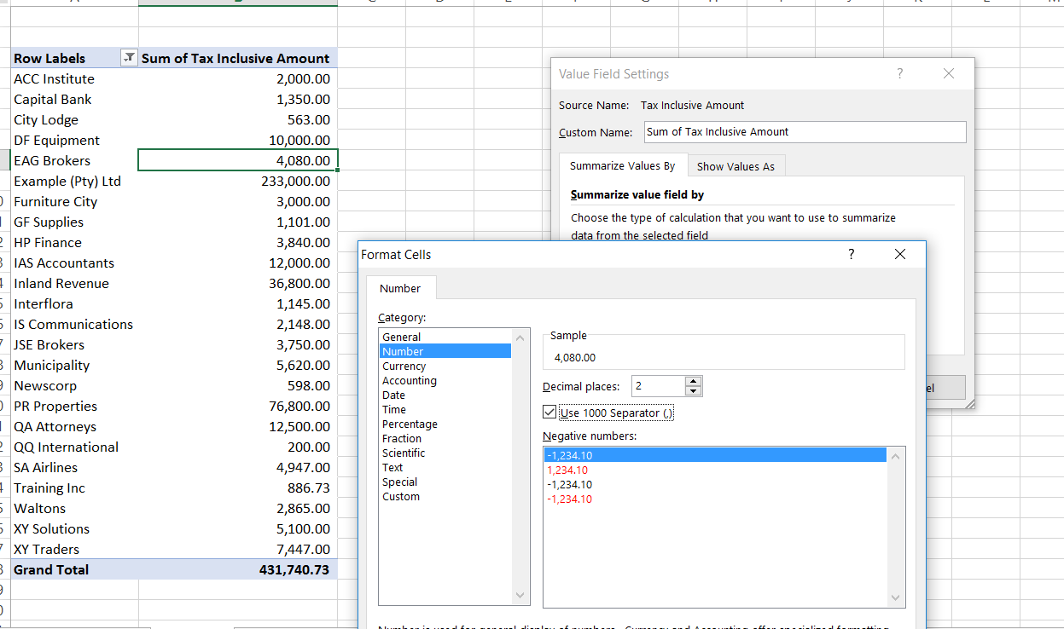
Row Labels | Sum of Tax Inclusive Amount
ACC Institute | 2,000.00
Capital Bank | 1,350.00
City Lodge | 563.00
DF Equipment | 10,000.00
EAG Brokers | 4,080.00
Example (Pty) Ltd | 233,000.00
Furniture City | 3,000.00
GF Supplies | 1,101.00
HP Finance | 3,840.00
IAS Accountants | 12,000.00
Inland Revenue | 36,800.00
Interflora | 1,145.00
IS Communications | 2,148.00
JSE Brokers | 3,750.00
Municipality | 5,620.00
Newscorp | 598.00
PR Properties | 76,800.00
QA Attorneys | 12,500.00
QQ International | 200.00
SA Airlines | 4,947.00
Training Inc | 886.73
Waltons | 2,865.00
XY Solutions | 5,100.00
XY Traders | 7,447.00
Grand Total | 431,740.73

